Grand Summary
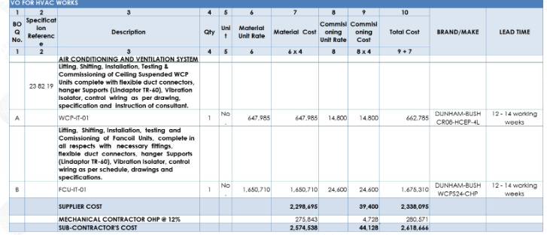
M/S MY INTERIORS

GSK OFFICE AT DOLMEN SKY TOWER, KARACHI

Running Bill No 3
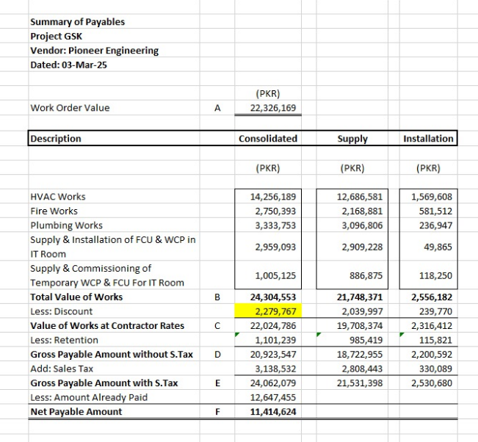
Divisions | Description of Work | Supply Amount | Installation Amount | Total

1 | HVAC Works | 11,484,458 | 1,422,423 | 12,906,881
2 | Fire Works | 1,965,593 | 527,033 | 2,492,626
3 | Plumbing Works | 2,806,655 | 214,794 | 3,021,449
 | Grand Total (in PKR): | 16,256,706 | 2,164,250 | 18,420,956

 | Variation for FCU & WCPU (Captive aire) | 2,338,095 |  | 2,338,095 | 1,101,239
 | Variation for FCU & WCPU (Sabro) | 1,005,125 |  | 1,005,125 | 20,923,547 | 24623767
 | Grand Total Amount Rs | 19,599,926 | 2,164,250 | 21,764,176

 | Retention 5% | 979,996 | 108,213 | 1,088,209
 | Gross | 18,619,930 | 2,056,038 | 20,675,967

 | 18% GST on Supply (in PKR): | 3,351,587 | - | 3,351,587
 | 15% SST on Installation (in PKR): | - | 308,406 | 308,406
 | Grand Total Inclusive of Tax (in PKR): | 21,971,517 | 2,364,443 | 24,335,960 | 22,024,786 |  | 24,304,553
 |  |  |  |  |  |  | 2,287,058.44

 | Received in Previous Bill | - |  | 12,647,455
 | Adhoc received in current bill |  |  | 10,000,000

 | Receivables | - |  | 1,688,505

